Sheet1
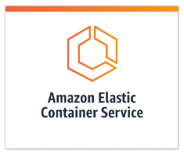
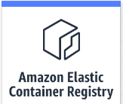
Write container data to S3 bucket

Deploy container to ECS

Pull and run from ECS
Pull and run from ECS

1. Push development
image.

Local computer devlopment desktop
Local devlopment laptop

